Data Export Instructions
Guidance for Exporting Data to XML
1. Enter all data for each worksheet within the workbook where indicated. Ensure that all columns of data are completed before exporting your file. Only completed rows will be imported into the Tool.
2. Save your workbook.
3. Export Excel data to XML.
For Excel 2003, select the menu Data / XML / Export.
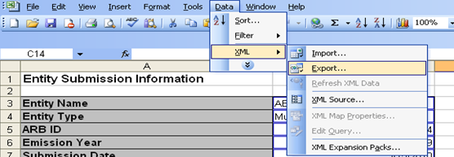
For Excel 2007 and Excel 2010, right click within a linked cell. Select XML / Export.
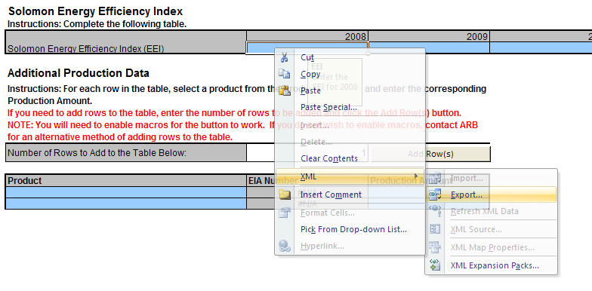
4. Provide a file name and complete the process. The generated XML file is the file that you will attach and upload within into Cal e-GGRT.
5. Within Cal e-GGRT, navigate to the subpart Y overview page for your facility.
6. Upload your newly exported XML document. Do not upload your Excel template.
7. If successfully attached, the interface will refresh and display the newly added document. If there are problems with the xml data being uploaded, validation messages will be displayed describing the problem(s).

